Sheet1
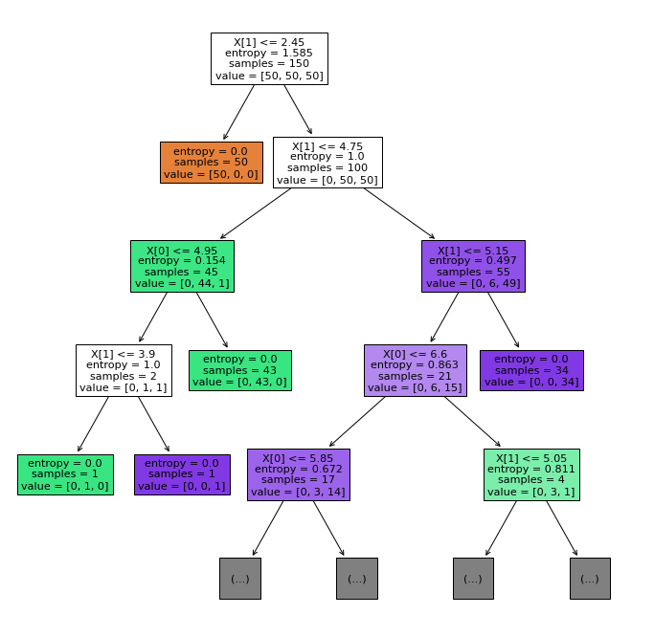
Lab Quiz-1
Question No. | Questions | Answers | Points | Hint
Q1-1 | How many unique organizations that are among the top 3 ('rank'<=3) shareholders of any stocks in select_stocks | 27 | 15 | Covert 'rank' to int
Q1-2 | How many organization ('org_name') holds more than 3 different stocks (wihout considering ranks) in select_stocks? | 18 | 15 | Use dict
Q1-3 | Which organization (“'org_name'”) holds the 2nd most total percentage of shares among all stocks (wihout considering ranks) in is select_stocks? | 中国石油天然气集团有限公司 | 15 | Use sorted function and covert percentage to float
Q2 | Paste your decision tree structure plot below （settings of decision tree is specified as in Q2_plot_tree.py ） | see figure below | 15 | check iris.feature_names
Q3-1 | What is(are) the best depth(s) when the decision tree will generate minimum number of errors/mismatch? | 4~10 | 15 | answer shoud be chosen from 2 to 10, and could be multiple values
Q3-2 | What is(are) the best depth(s) when the decision tree will generate minimum (number of errors + number of nodes)? | 2 | 15 | answer shoud be chosen from 2 to 10, and could be multiple values
Q3-3 | What is(are) the best depth(s) when the decision tree will generate minimum (number of errors + 0.3*number of nodes)? | 4 | 10 | answer shoud be chosen from 2 to 10, and could be multiple values

